Sheet1
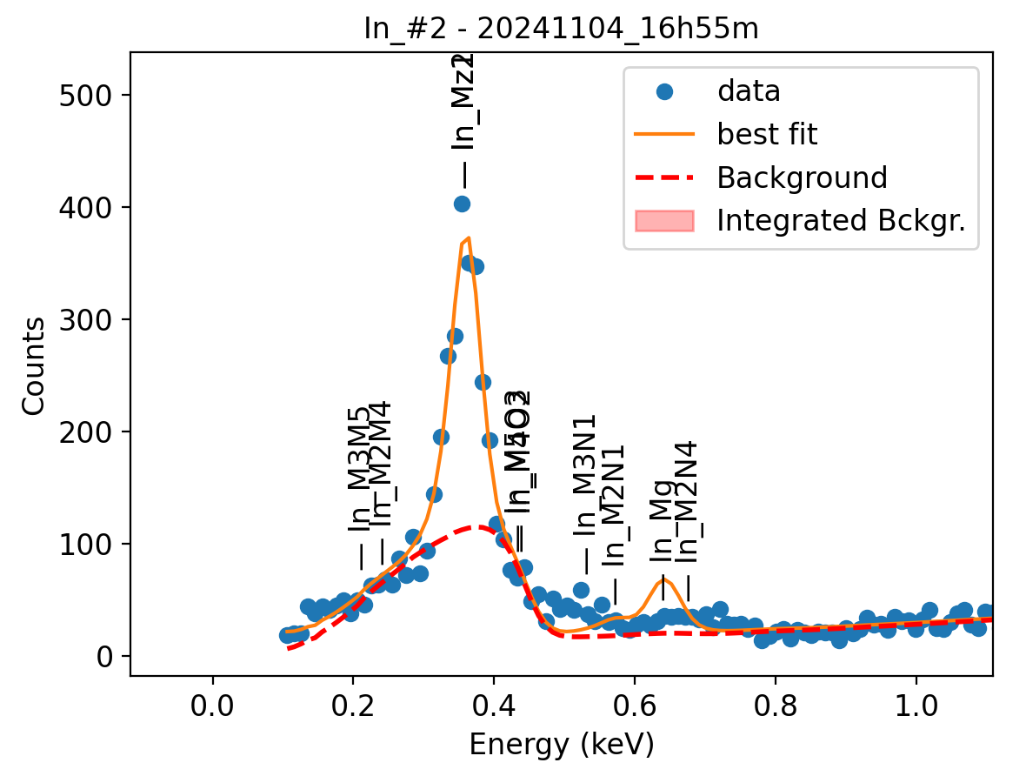
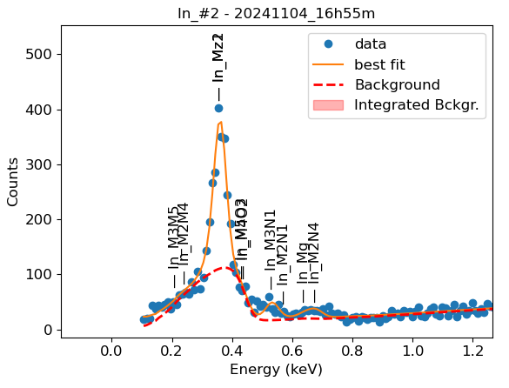
Weights calibrated measuring a pure In standard, bulk, polished |  |  |  |  |  |  |  |  |  |  | Weights unchanged
Area of all peaks is fitted |  |  |  |  |  |  |  |  |  |  | Weights changed
A constant shift is maintained across all peaks
Sigma is fixed for all peaks
Areas of peaks La2, Lb1 and Lg5 are weighted and fixed on original weights because strongly overlapping with La1

In |  | Meas 1 | Meas 2 | Meas 3 | Meas 4 | Meas 5 | Meas 6 | Meas 7 | Meas 8 | Meas 9 | Meas 10
Mz1 |  | 13.576 | 13.262 | 11.44 | 12.614 | 12.234 | 13 | 13.95 | 12.905 | 11.995 | 12.488
M3N1 |  | 1.297 | 1.606 | 2.873 | 5.074 | 2.773 | 3.223 | 1.439 | 2.217 | 2.802 | 1.649
M2N1 |  | 0 | 0.067 | 0 | 0 | 0 | 0 | 0 | 0 | 0 | 0.289
Mg |  | 0.334 | 0.411 | 0.262 | 0.505 | 0.068 | 0.757 | 0.327 | 0.151 | 0.57 | 0.307
M2N4 |  | 0.974 | 0.779 | 0.548 | 0.847 | 1.257 | 0.828 | 0.919 | 0.922 | 0.796 | 0.808

Line | Original w | Meas 1 | Meas 2 | Meas 3 | Meas 4 | Meas 5 | Meas 6 | Meas 7 | Meas 8 | Meas 9 | Meas 10 | Mean | Stdev | Er (%)
Mz1 | 1 | 1.0000 | 1.0000 | 1.0000 | 1.0000 | 1.0000 | 1.0000 | 1.0000 | 1.0000 | 1.0000 | 1.0000 | 1.0000
M3N1 | 0.01 | 0.0955 | 0.1211 | 0.2511 | 0.4023 | 0.2267 | 0.2479 | 0.1032 | 0.1718 | 0.2336 | 0.1320 | 0.1985 | 0.0940 | 47.36
M2N1 | 0.05 | 0.0000 | 0.0051 | 0.0000 | 0.0000 | 0.0000 | 0.0000 | 0.0000 | 0.0000 | 0.0000 | 0.0231 | 0.0028 | 0.0073 | 259.45
M3N1 + M2N1 | 0.0600 | 0.0955 | 0.1261 | 0.2511 | 0.4023 | 0.2267 | 0.2479 | 0.1032 | 0.1718 | 0.2336 | 0.1552 | 0.2013 | 0.0920 | 45.70
Mg | 0.2 | 0.0246 | 0.0310 | 0.0229 | 0.0400 | 0.0056 | 0.0582 | 0.0234 | 0.0117 | 0.0475 | 0.0246 | 0.0290 | 0.0159 | 54.95
M2N4 | 0.01 | 0.0717 | 0.0587 | 0.0479 | 0.0671 | 0.1027 | 0.0637 | 0.0659 | 0.0714 | 0.0664 | 0.0647 | 0.0680 | 0.0140 | 20.56
Mg + M2N4 | 0.2100 | 0.0963 | 0.0897 | 0.0708 | 0.1072 | 0.1083 | 0.1219 | 0.0893 | 0.0831 | 0.1139 | 0.0893 | 0.0970 | 0.0156 | 16.07

Fits whose peak areas vary, but whose sum is almost cosntant:
So we use the original ratios to diustribute the sum among the 2 peaks, giving:

M3N1 + M2N1 | M3N1 | M2N1 | Sum
Original ratio | 0.1667 | 0.8333
Resulting weights: | 0.0336 | 0.1678 | 0.2013

Mg + M2N4 | Mg | M2N4 | Sum
Original ratio | 0.9524 | 0.0476
Resulting weights: | 0.0924 | 0.0046 | 0.0970

 |  | Without fixing the peaks above: |  |  |  |  |  |  |  |  | Fixing the peaks:

